Flow Chart
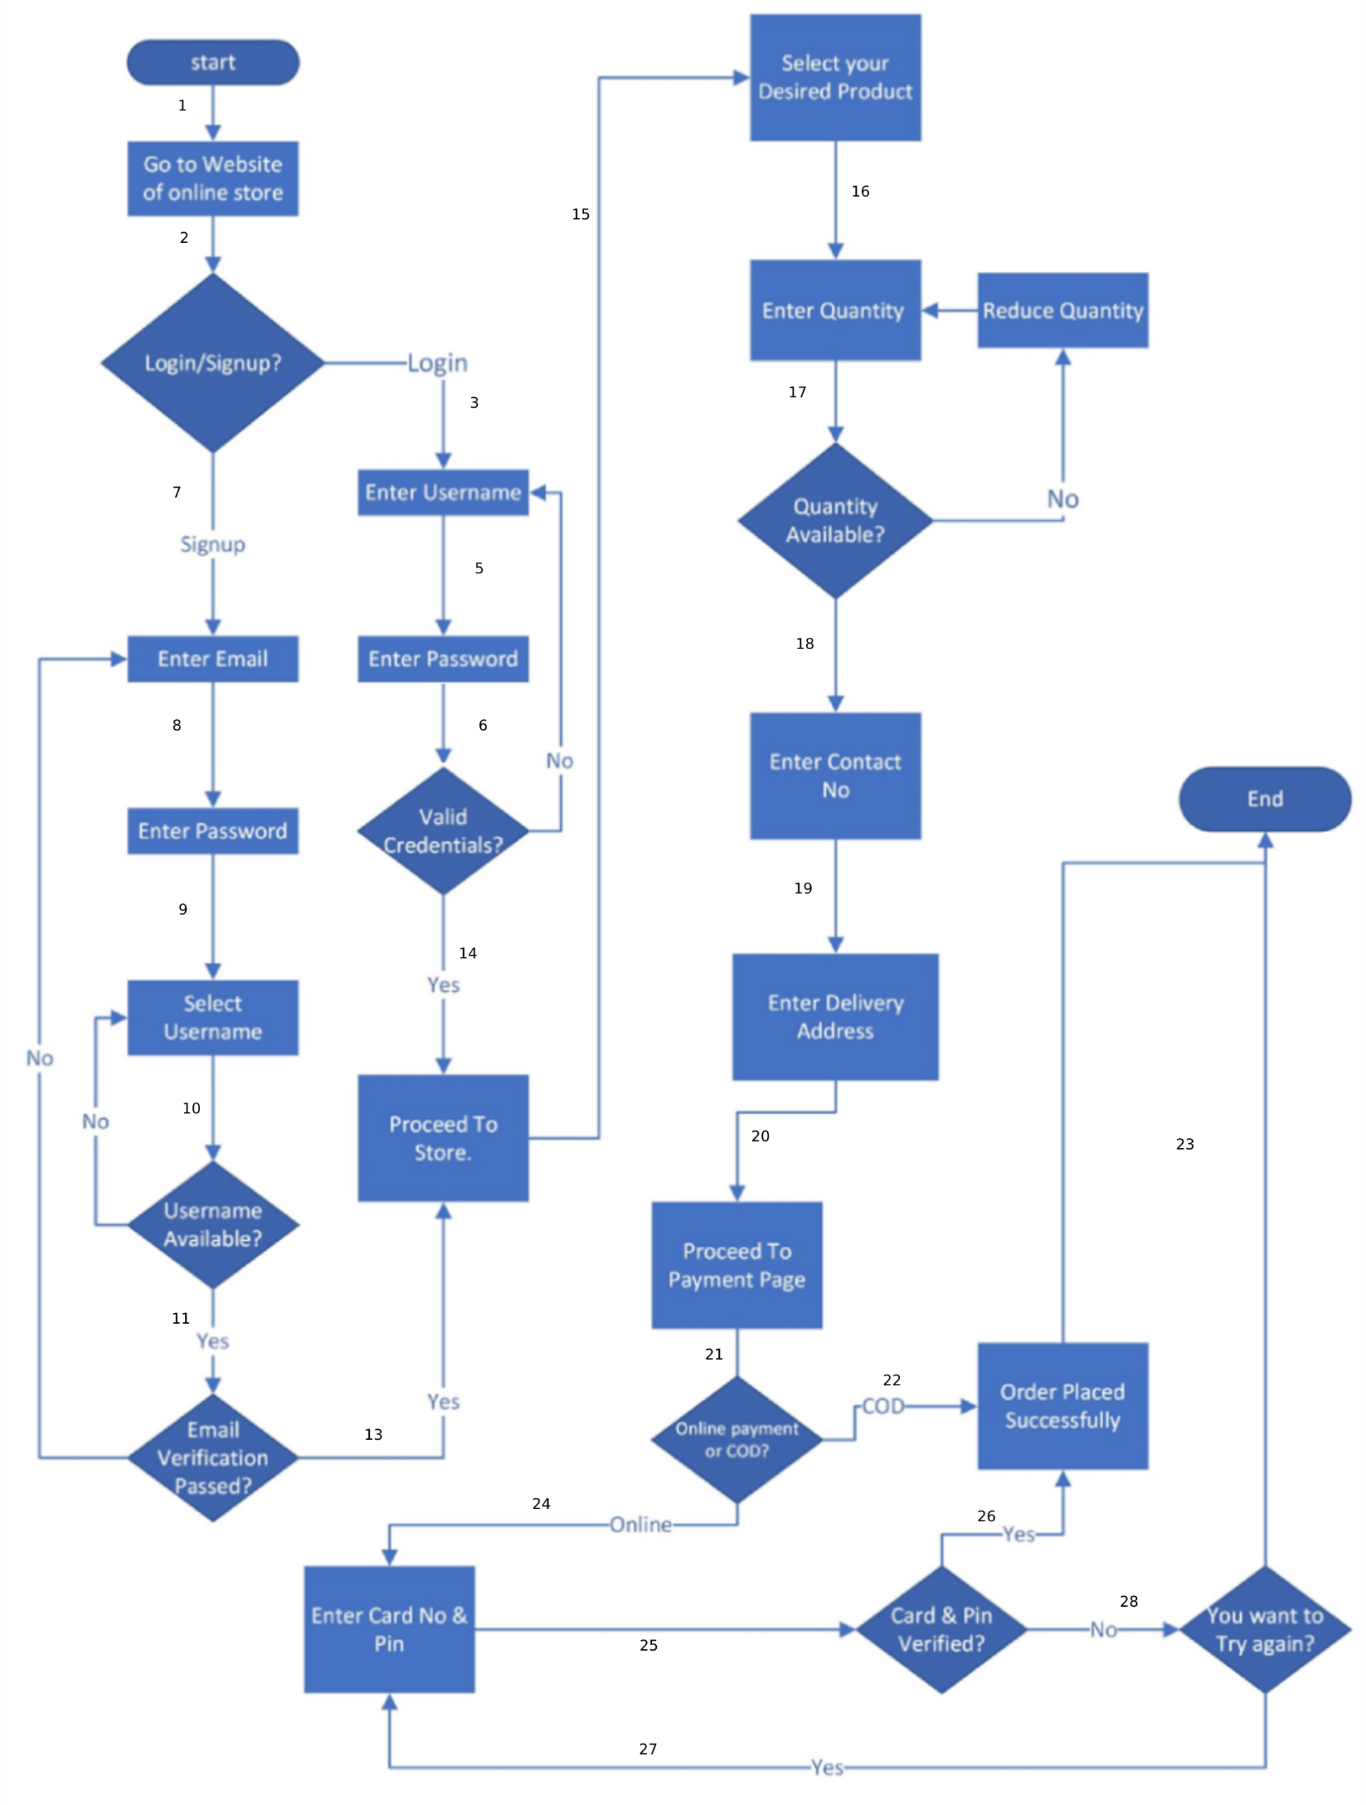
Online Order System

Submitted By:
 | Muhammad Shoaib
 | 4384

